PO
Test Nature | Test cases | Expected | Actual | Remarks |  | 20160314 | 20160324 | 20160406
File name and structure | Name file as MS002_POR_20151231 | Integration not triggered because POR is not valid
 | Name file as MS003_PO_20151231 | Integration not triggered. System only detects PO, regardless the first prefix is MS002 or MS003
 | missing one column cln_code | Integration throws error
 | add one column in excel file | Integration throws error

Data | For customer type FFS (not capitation)
 | To accrue cost for customer type FFS | One journal is created per clinic code, incurred month and type (FFS/CAP) |  | One clinic may have different customers. Some customers in FFS while some customers in CAP. Two journal should be created, one for FFS, one for CAP |  | Journal entry get overwritten, refer to diagram below | journal entry is still overwritten, refer to second diagram below. | fine
 |  | journal posting date is incurred month |  |  |  | Fine
 |  | Journal remarks is "Estimated cost for <ap code>" |  |  |  | Fine
 |  | journal GL account DR FFS Panel Provider (cmoney) CR Admin Fee (oper) CR Fee For Services (pay_client) CR Accrued COGS |  | amount should be split for different MBMS |  | Fine
 |  | GL accounts are split for each MBMS. Each MBMS should have three GL accounts. Check the amount is correct for each MBMS |  |  |  | Cost center change to upper case in both excel and sap | When retrieve cost center from sap, convert mbms table cost center and sap cost center setup to uppercase to match If mbms cost center is OTHERS, sap cost center setup is Others. Error "Link value "OTHERS" does not exist | fine

 | For customer type Capitation
 | To accrue cost for customer type Capitation | One journal is created per clinic code, incurred month and type (FFS/CAP) |  | One clinic may have different customers. Some customers in FFS while some customers in CAP. Two journal should be created in this case | Fine | Fine
 |  | journal posting date is incurred month |  |  | Fine | Fine
 |  | Journal remarks is "Estimated cost for <ap code>" |  |  | Fine | Fine
 |  | journal GL account DR CAP - Panel Provider Fee (cmoney - pay_client) DR FFS Panel Provider (pay_client) CR Fee For Services (pay_client) CR Admin Fee (Oper) Cr Accrued COGS |  | amount should be split for different MBMS | Fine | Fine
 |  | GL accounts are split for each MBMS. Each MBMS should have four GL accounts. Check the amount is correct for each MBMS |  |  | Fine | Cost center change to upper case in both excel and sap | When retrieve cost center from sap, convert mbms table cost center and sap cost center setup to uppercase to match If mbms cost center is OTHERS, sap cost center setup is Others. Error "Link value "OTHERS" does not exist | fine
Validation Check | Duplicate invoice number is uploaded after it is processed and accrual journal was created in SAP in previous files | Throw error and tell row number in log file |  |  |  | No error prompted | Fine
 | company code not found in SAP | Throw error and tell row number in log file
 | AP code not found in SAP | Throw error and tell row number in log file
 | scheme code is null in the source file | Throw error and tell row number in log file
 | Duplicate MBMS found for same customer in same period and scheme code | Throw error and tell row number in log file
 | MBMS nof found, for eg scheme code does not match, effective date is not valid | Throw error and tell row number in log file
MBMS Check | Refer to "MBMS" sheet

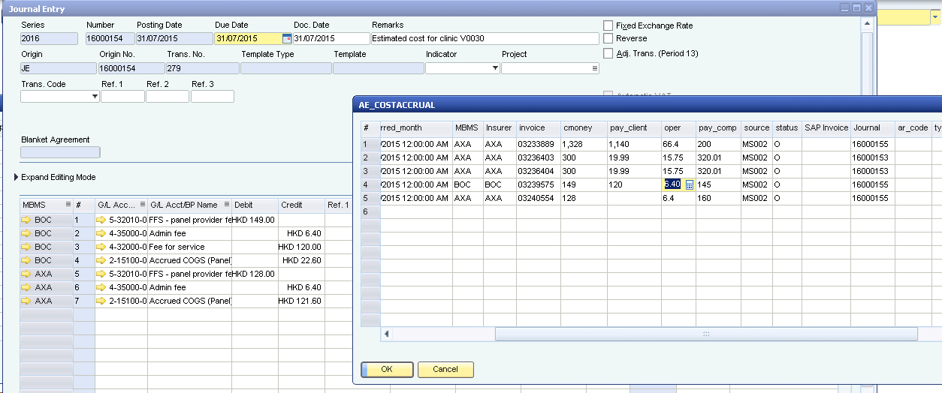

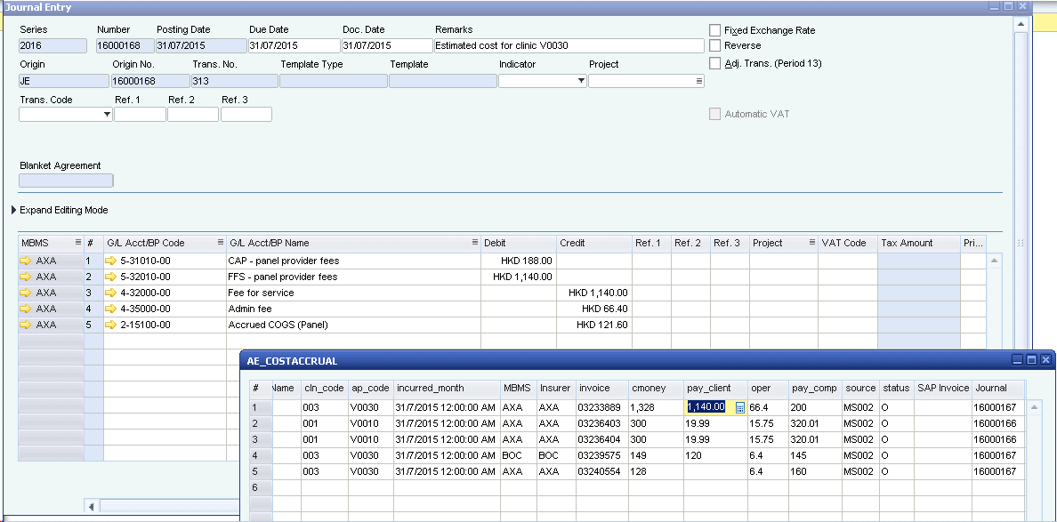

Validation Check

HMDC

AP
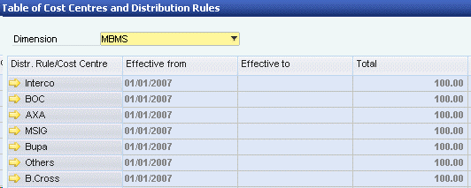
Test Nature | Test cases | Expected | Actual | Remarks | 20160324 | 20160406 | 20140608 | 20160411 | 20160412 | 20160415
File name and structure | Name file as MS002_APR_20151231 | Integration not triggered because APR is not valid
 | Name file as MS003_AP_20151231 | Integration not triggered. System only detects AP, regardless the first prefix is MS002 or MS003
 | missing one column cln_code | Testing has been done in PO
 | add one column in excel file | Testing has been done in PO

Data | For customer type FFS (not capitation)
 | To create AP invoice for customer type FFS | One AP invoice is created per clinic code, incurred month and type (FFS/CAP) |  | One clinic may have different customers. Some customers in FFS while some customers in CAP. Two invoices should be created, one for FFS, one for CAP |  | Currently the invoice will be split if it is different MBMS (based on company code). It should be in same invoice with different MBMS at line level for the same clinic | Fine
 |  | invoice posting date is the date in the upload file name |  |  | It is today's date | It is today's date | Fine
 |  | invoice ap code = V + clinic code + subcode |  |  | Fine
 |  | Item code in the invoice lines FFS Panel Provider - cmoney Admin Fee - oper (negative amount) Fee For Services - pay_client (negative amount) |  | amount should be split for different MBMS | admin fee and fee for service is not negative | Fine
 |  | Check journal entry for the invoice DR FFS Panel Provider (cmoney) CR Admin Fee (oper) CR Fee For Services (pay_client) CR AP |  |  | wrong because of admin and ffs not negative | Fine
 |  | Each MBMS has three item lines. Check the amount is correct for each MBMS
 |  | Cost accrual journal is reversed per clinic code, incurred month and type (FFS/CAP) |  |  | No reversal entry should be made if the invoice cannot be found in COSTACCRUAL table | Reversal entry is not made even the invoice can be found in costaccrual table. Refer to AP Reversal worksheet | no reversal entry made at all | Fine
 |  | journal remarks is "Reversal of Estimated cost for <clinic code>" |  |  |  | the remarks now is "Reversal of Estimated Sales for <customer code>" | cant test because no entry made at all | Change to "Reversal of Estimated cost for <clinic code>" | Fine
 |  | Reversal journal posting date is the date in the upload file name |  |  |  | Fine
 |  | Reversal journal GL accounts CR FFS Panel Provider (cmoney) DR Admin Fee (oper) DR Fee For Services (pay_client) DR Accrued COGS |  |  |  | Fine
 |  | Reversal amount should follow the invoice amount uploaded in PO file, not AP |  |  |  | Currently it is based on AP file amount |  | Fine
 |  | GL accounts are split for each MBMS. Each MBMS should have three GL accounts. Check the amount is correct for each MBMS |  |  | When retrieve cost center from sap, convert mbms table cost center and sap cost center setup to uppercase to match Refer to diagram below

 | For customer type Capitation
 | To create AP invoice for customer type CAP | One AP invoice is created per clinic code, incurred month and type (FFS/CAP) |  | One clinic may have different customers. Some customers in FFS while some customers in CAP. Two invoices should be created, one for FFS, one for CAP | Currently the invoice will be split if it is different MBMS (based on company code). It should be in same invoice with different MBMS at line level | Fine | Fine
 |  | invoice posting date is the date in the upload file name |  |  | Now is current date | It is today's date | Fine
 |  | invoice ap code = V + clinic code + subcode |  |  | fine
 |  | Item code in the invoice lines CAP - Panel Provider Fee - cmoney-pay_client FFS Panel Provider - pay_client Admin Fee - oper (negative amount) Fee For Services - pay_client (negative amount) |  | amount should be split for different MBMS | admin fee is not negative Fee for Service is not negative | FFS Panel Provider should be positive, Fee for service should be negative. Refer to AE_ITEMCODE worksheet, if it is credit, it will be negative | Fine
 |  | Check journal entry for the invoice DR CAP - Panel Provider Fee (cmoney - pay_client) DR FFS Panel Provider (pay_client) CR Fee For Services (pay_client) CR Admin Fee (Oper) Cr AP |  |  | wrong because admin and ffs is not negative |  | Fine
 |  | Each MBMS has four item lines. Check the amount is correct for each MBMS |  |  | currently different MBMS will be split to separate invoice. Should be in one invoice with different mbms at line level |  | Fine
 |  | Cost accrual journal is reversed per clinic code, incurred month and type (FFS/CAP) |  |  | No reversal entry should be made if the invoice cannot be found in COSTACCRUAL table | Reversal entry is not made even the invoice can be found in costaccrual table. Refer to AP Reversal worksheet | no reversal entry made at all |  | Reversal entry is not made even the invoice can be found in costaccrual table. Refer to AP Reversal worksheet | Fine
 |  | journal remarks is "Reversal of Estimated cost for <clinic code>" |  |  |  | the remarks now is "Reversal of Estimated Sales for <customer code>" | cant test because no entry made at all | Change to "Reversal of Estimated cost for <clinic code>" |  | Fine
 |  | Reversal journal posting date is the date in the upload file name |  |  |  | Fine
 |  | Reversal journal GL accounts CR CAP - Panel Provider Fee (cmoney - pay_client) CR FFS Panel Provider (pay_client) DR Fee For Services (pay_client) DR Admin Fee (Oper) DR Accrued COGS |  |  |  | Fine
 |  | Reversal amount should follow the invoice amount uploaded in PO file, not AP
 |  | GL accounts are split for each MBMS. Each MBMS should have four GL accounts. Check the amount is correct for each MBMS |  |  | When retrieve cost center from sap, convert mbms table cost center and sap cost center setup to uppercase to match Refer to diagram below | Currently it is based on AP file amount | cant test because no entry made at all | Fine
 |  | Check invoice number is filled in MS002_AP |  |  |  | Invoice number is not filled after AP invoice created, refer to Invoice_no workshet | cant test because no entry made at all | Fine
Validation Check | Duplicate invoice number is uploaded after it is processed and invoice created in SAP in previous files | Throw error and tell row number in log file |  |  | Fine
 | company code not found in SAP | Testing has been done in PO
 | AP code not found in SAP | Testing has been done in PO
 | scheme code is null in the source file | Testing has been done in PO
 | Duplicate MBMS found for same customer in same period and scheme code | Testing has been done in PO
 | MBMS nof found, for eg scheme code does not match, effective date is not valid | Testing has been done in PO
MBMS Check | Refer to "MBMS" sheet | Testing has been done in PO

AE_MS002_GL
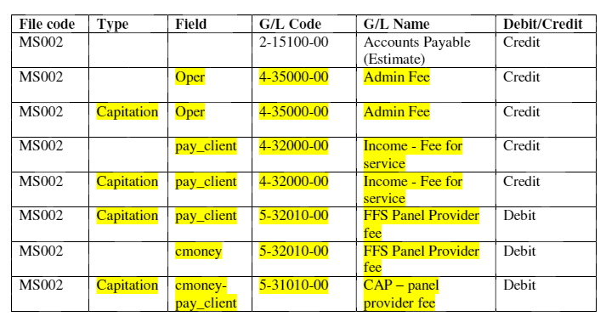

AE_ITEMCODE
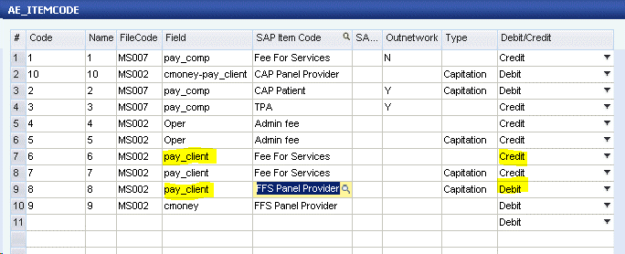

AP Reversal
